STOCK LIST
SKU | STYLE NAME | GENDER | PRODUCT | COLOUR |  |  |  |  |  |  |  |  |  | TOTAL UNITS
 |  |  |  |  | O/S | XS | S | M | L | XL | XXL | S/M | L/XL |  | cartons | carton kg | total kg | carton size cm | carton cbm | total cbm

PXC-U2001_HGR | CLASSIC | UNISEX | PULLOVER HOODIE | HEATHER GREY |  | 33 | 76 | 131 | 217 | 89 | 3 |  |  | 549 | 21.96 | 15 | 329.4 | 60x40x40 | 0.096 | 2.10816
PXC-U2001_BUR | CLASSIC | UNISEX | PULLOVER HOODIE | BURGUNDY |  | 1 | 26 | 186 | 260 | 164 | 51 |  |  | 688 | 27.52 | 15 | 412.8 | 60x40x40 | 0.096 | 2.64192
PXC-U2001_SAN | CLASSIC | UNISEX | PULLOVER HOODIE | SAND |  |  |  |  | 20 | 71 | 60 |  |  | 151 | 6.04 | 15 | 90.6 | 60x40x40 | 0.096 | 0.57984
PXC-U2001_MUS | CLASSIC | UNISEX | PULLOVER HOODIE | MUSTARD |  | 15 | 46 | 207 | 274 | 107 | 16 |  |  | 665 | 26.6 | 15 | 399 | 60x40x40 | 0.096 | 2.5536
PXC-U2001_SBL | CLASSIC | UNISEX | PULLOVER HOODIE | SKY BLUE |  |  | 29 | 50 | 40 |  |  |  |  | 119 | 4.76 | 15 | 71.4 | 60x40x40 | 0.096 | 0.45696
PXC-U2002_BLK | OVERSIZED | UNISEX | PULLOVER HOODIE | BLACK |  | 77 | 18 | 32 | 68 | 54 |  |  |  | 249 | 12.45 | 15 | 186.75 | 60x40x40 | 0.096 | 1.1952
PXC-U2002_LHG | OVERSIZED | UNISEX | PULLOVER HOODIE | LIGHT HEATHER GREY |  | 15 | 25 | 69 | 67 | 57 | 21 |  |  | 254 | 12.7 | 15 | 190.5 | 60x40x40 | 0.096 | 1.2192
PXC-U2002_VIN | OVERSIZED | UNISEX | PULLOVER HOODIE | VINTAGE BLACK |  | 36 |  | 81 | 70 |  |  |  |  | 187 | 9.35 | 15 | 140.25 | 60x40x40 | 0.096 | 0.8976
PXC-U2002_SAN | OVERSIZED | UNISEX | PULLOVER HOODIE | SAND |  |  | 4 | 39 | 36 | 19 | 9 |  |  | 107 | 5.35 | 15 | 80.25 | 60x40x40 | 0.096 | 0.5136
PXC-U2002_OLI | OVERSIZED | UNISEX | PULLOVER HOODIE | OLIVE |  | 38 | 29 | 231 | 216 | 115 | 48 |  |  | 677 | 33.85 | 15 | 507.75 | 60x40x40 | 0.096 | 3.2496
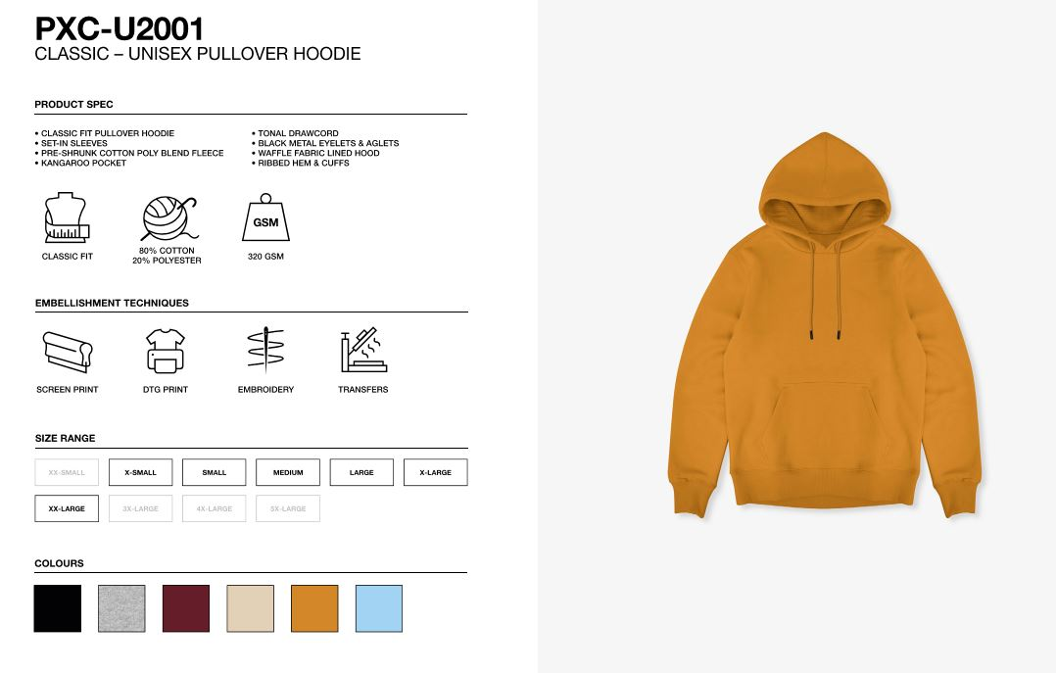
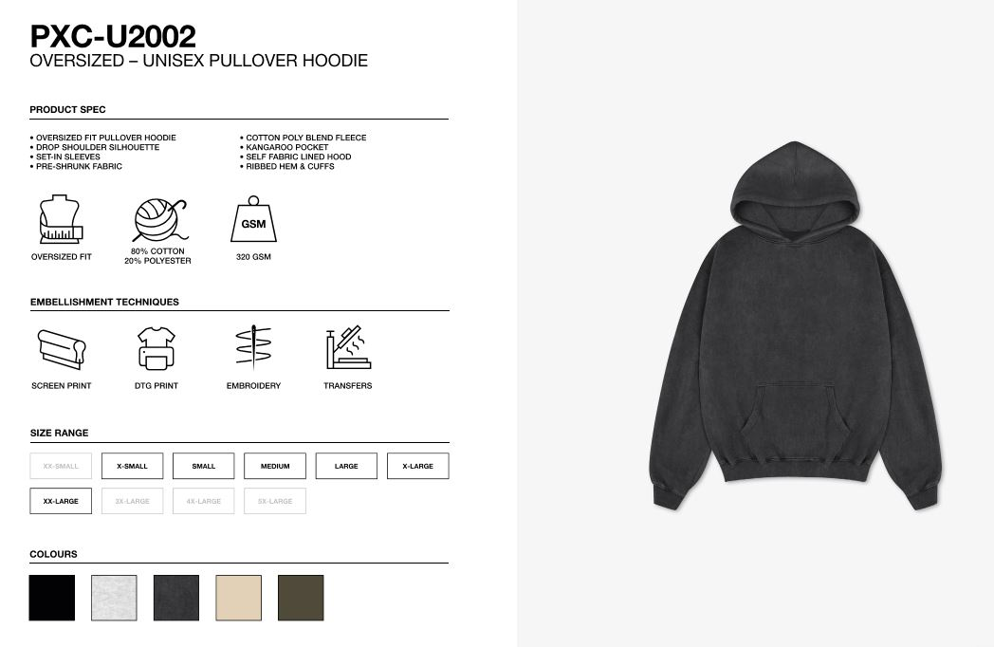
 |  |  |  |  |  |  |  |  |  |  |  |  |  | 3646 | 182.3

 |  |  |  |  |  |  |  |  |  |  |  |  |  |  |  |  |  |  |  | 15

